Bug Report
 |  |  |  |  |  |  |  |  |  |  |  | Dev
Module name | Description | Platform | Steps to replicate bug | Data | Expected result | Actual result | Screenshot | Severity | Priority | Reported by | Assigned to | Resolution | Status | Fixed date
OXFORD MEDICAL | The purple button ''Замовити дзвінок'' never changes language alongside with language setting on the page. | Safari Version 15.6 (17613.3.9.1.5) | 1. Go to https://oxford-med.com.ua 2. Change language to ENG by pressing the language switcher. 3. Pay attention when the purple button ''Замовити дзвінок'' appears at the bottom of the page. | None | The purple button ''Замовити дзвінок'' should switch the language to ENG alongside the other elements on the page. | 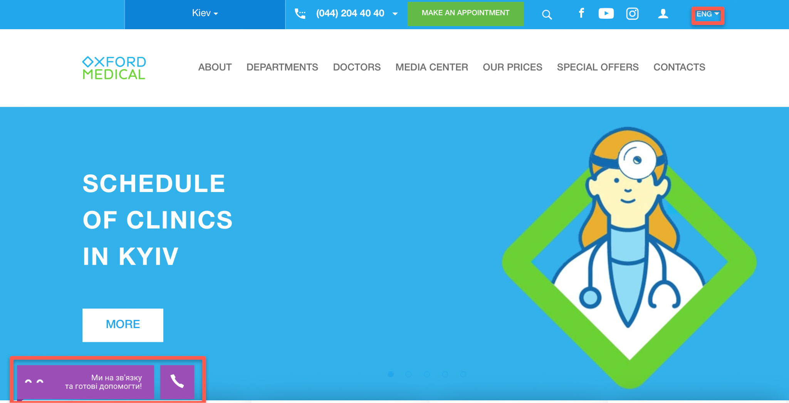 The purple button ''Замовити дзвінок'' remains to be in the Ukrainian language. |  | S4 | P3 | Alevtyna Kasirotska | Ilon Musk
OXFORD MEDICAL | The name of the city ''Kyiv'' has different spelling on various pages when switching to ENG. | Safari Version 15.6 (17613.3.9.1.5) | 1. Go to https://oxford-med.com.ua 2. Change language to ENG by pressing the language switcher. 3. Location is ''Kiev'' on the header. 4. Click on the button ''Kiev''. 5. ''Select city'' popup will be displayed. | None | The name of the city ''Kyiv'' should be displayed in the same way on all pages. | The name of the city ''Kyiv'' displayed as ''Kiev'' in differen | 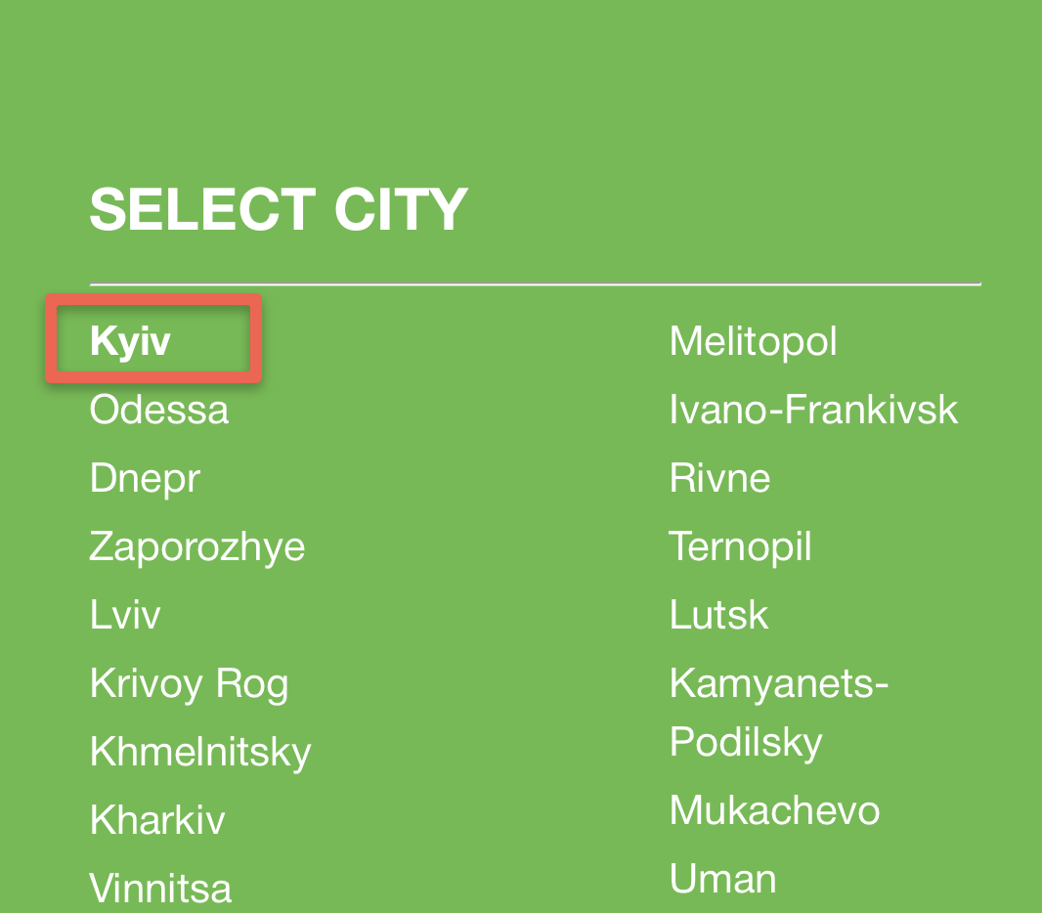 | S3 | P3 | Alevtyna Kasirotska | Ilon Musk

OXFORD MEDICAL | Form ''ЗАПИСАТИСЯ НА ПРИЙОМ'' does not have inner validation of the phone number. | Safari Version 15.6 (17613.3.9.1.5) | 1. Go to https://oxford-med.com.ua 2. Press button ''ЗАПИСАТИСЯ НА ПРИЙОМ''. 3. Fill up the form with name, invalid phone number and press Send. 4. Confirmation popup ''Дякуємо за Ваш запит. Найближчим часом менеджер зв'яжеться з вами'' will be displayed. | Name: Алевтина Phone number: +38 (080) 8888888 | Form ''ЗАПИСАТИСЯ НА ПРИЙОМ'' should have inner validation for the phone number. | 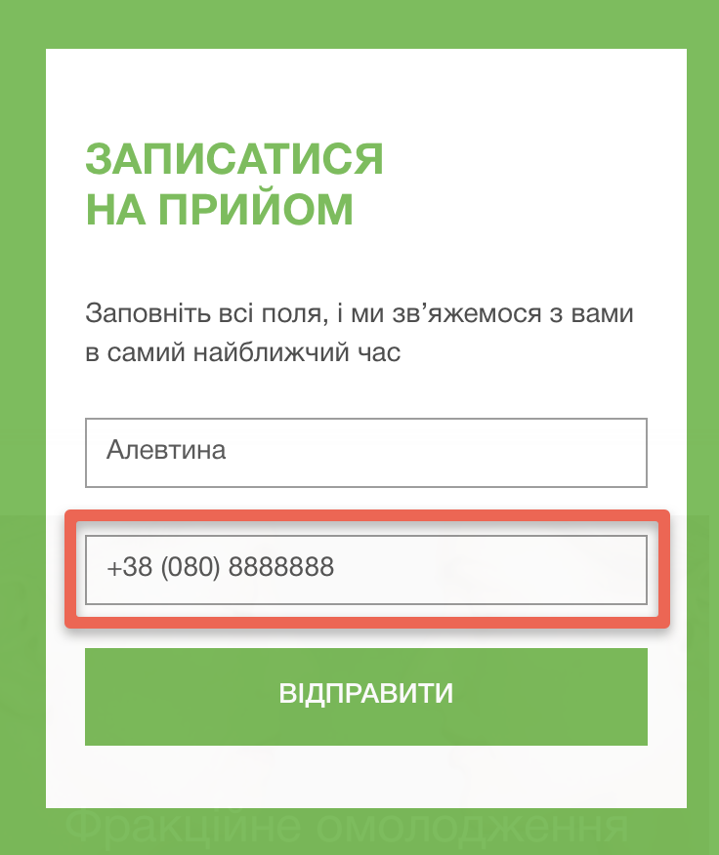 Form ''ЗАПИСАТИСЯ НА ПРИЙОМ'' accepts any possible phone number. |  | S3 | P1 | Alevtyna Kasirotska | Ilon Musk
OXFORD MEDICAL | Form ''Замовити зворотній дзвінок'' does not have inner validation of the phone number. | Safari Version 15.6 (17613.3.9.1.5) | 1. Go to https://oxford-med.com.ua 2. Press drop-down with the phone number in the header. 3. Fill up the form with invalid phone number and press OK. 4. Confirmation popup ''Дякуємо за Ваш запит. Найближчим часом менеджер зв'яжеться з вами'' will be displayed. | Phone number: +38 (080) 8888888 | Form ''Замовити зворотній дзвінок'' should have inner validation for the phone number. | 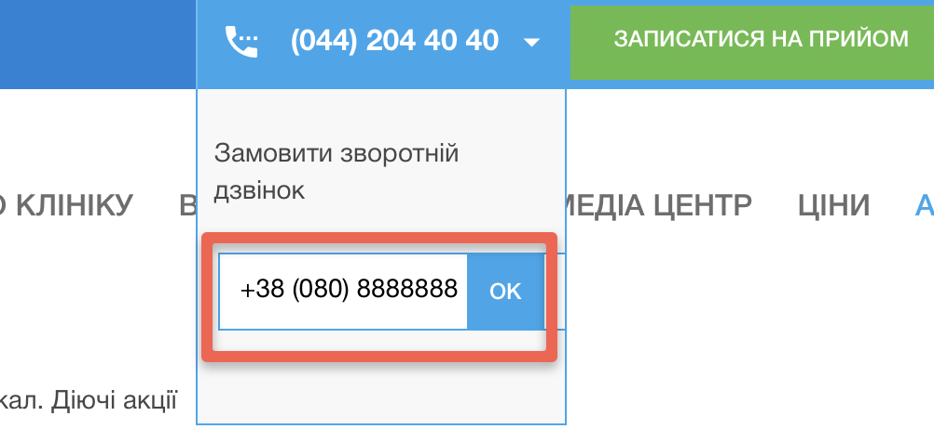 Form ''Замовити зворотній дзвінок'' accepts any possible phone number. |  | S3 | P1 | Alevtyna Kasirotska | Ilon Musk
OXFORD MEDICAL | The placeholder in the search field does not change language alongside the other elements on the page. | Safari Version 15.6 (17613.3.9.1.5) | 1. Go to https://oxford-med.com.ua 2. Change language to ENG by pressing the language switcher. 3. Activate search fiel. 4. The placeholder of the search field remains in russian language. | None | The placeholder in the Search field should switch the language to ENG alongside the other elements on the page. | 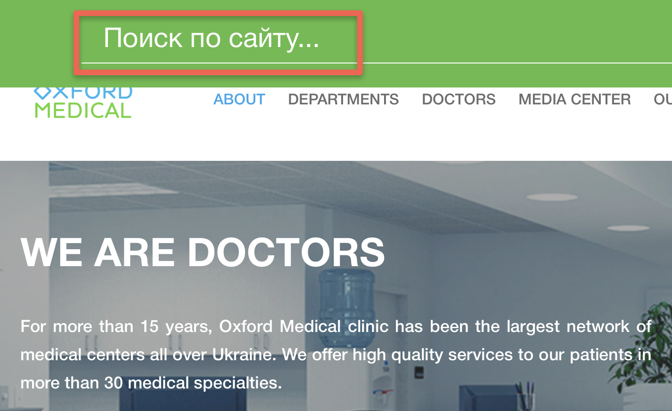 The placeholder in the Search field remains to be in russian language. |  | S3 | P3 | Alevtyna Kasirotska | Ilon Musk

